Sheet1
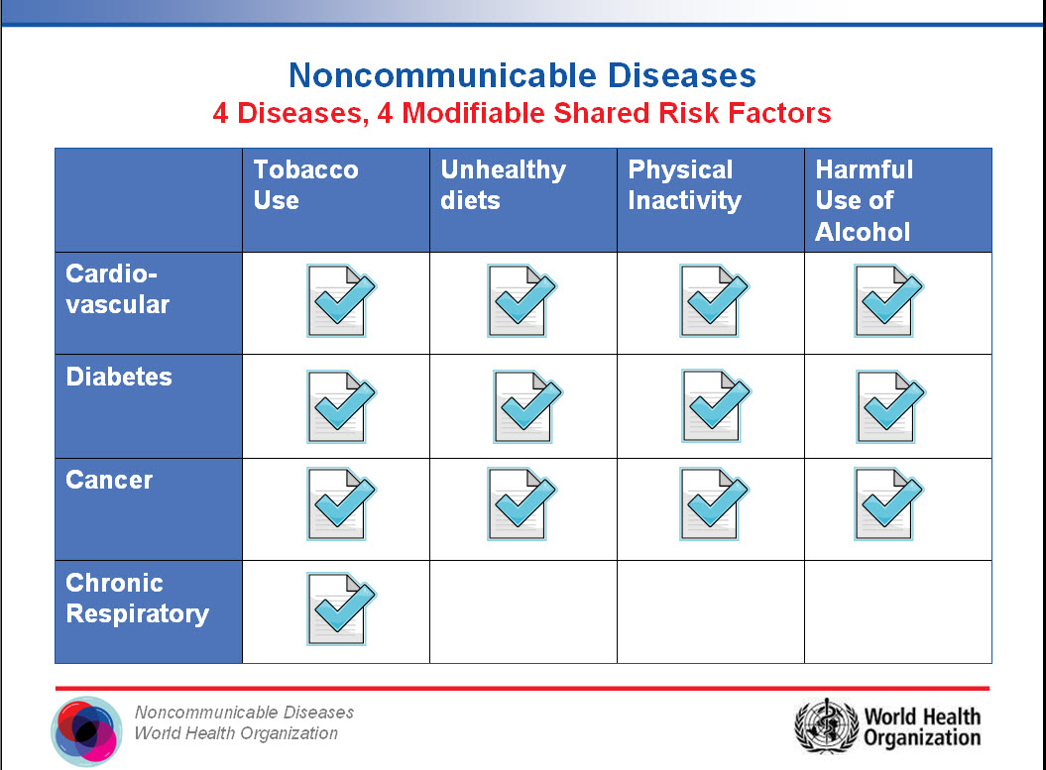
Desease | Tobacco Use | Unhealthy diets | Physical inactivity | Harmful Use of Alcohol
Cardiovascular | Yes | Yes | Yes | Yes
Diabetes | Yes | Yes | Yes | Yes
Cancer | Yes | Yes | Yes | Yes
Chronic Respiratory | Yes | No | No | No

